Baseline-Project Sinks
Determining Baseline Approach

 | User Info:
 | The baseline scenario does not generate any positive or negative emissions while the purpose of the project is to sequester biogenic CO2 in concrete aggregate through mineral carbonation. By doing so, concrete aggregate serves as permanent sink. Therefore, the term “Project Sinks” is applied instead of the term “Baseline Emissions” in subsequent sections.

 | Is the data being used to calculate the ex-ante or ex-post project sinks?

 |  | Ex-ante
Dropdown list

 | Final Calculation of Project Sinks:

 |  | GSCy/PSy | 207.82 | Gross Sink Capacity in the monitoring period y (t CO2)

Project Sinks a. Ex-ante quantification of project sinks

 | The Following Data Points are Required.

 | Data.
 | To determine the ex-ante calculation of Project Sinks, the following data are required for the formula to be applied:

 |  | Year | Year data belongs to.

 |  | Material Type i |  | Type of material.

 |  | Grain Size d |  | Grain size distribution.

 |  | MGrep,i,d | Summed mass of sub fractions d and material i (tconcrete aggregate) based on historical data or forecast.

 |  | SFi,d | Summed sink factor corresponding to the specific amount of CO2 that can be permanently fixed in the material i of grain size d (t CO2/t concrete aggregate).

 | The results are:

 |  | GSCy | 207.82 | Gross Sink Capacity in the monitoring period y of the respective project sink (t CO2)

b. Ex-post quantification of project sinks

 | The Following Data Points Including Sections for Direct & Indirect Mineral Carbonation are Not Required.

 | Data.
 | To determine the ex-post calculation of Project Sinks, the following data are required for the formula to be applied:

 | The results are:

 |  | PSy | #DIV/0! | The Project Sink (or Gross Sink Capacity) for the monitoring period y, (t CO2) corresponds to the amount of CO2 fed to the reactor system reduced by the amount of CO2 leaving the reactor system as a gas.

 | The amount of CO2 mCO2,i,d lost lost may be calculated as follows:

 | Select which option applies to your project:

 |  | Direct Mineral Carbonation

Dropdown list

 | a. For Direct Mineral Carbonation:

 | The Following Data Points are Required.

 | Data.
 | To determine amount of CO2 lost, the following data are required for the formula to be applied:

 |  | Year | Year data belongs to.

 |  | Material Type i |  | Type of material used.

 |  | Grain Size d |  | Grain size distribution.

 |  | ρbulk,i,d | Corresponds to the bulk density of the material i, grain size d (kg/m3).

 |  | ρi,d | Corresponds to the density of the material i, grain size d (kg/m3).

 |  | MCO2,i,d out |  | Amount of CO2 (t CO2) exiting the process in the monitoring period y.

 |  | MCO2 | Molar mass of CO2 in t per mole (kg/mol).

 |  | p | Total pressure in Pascal (Pa).

 |  | R | Ideal gas constant (J/mol*K).

 |  | T | Ambient temperature in Kelvin (K).

 |  | MGy,i,d | Corresponds to the cumulative mass of sub fractions d and material i processed within the monitoring period y (tonnes concrete aggregate).

 |  | yi,d CO2 | CO2 molar fraction (mole/mole).

 |  | mCO2,i,d in | Mass of CO2 which was fed to the carbonation plant in the monitoring period y (t CO2) to be stored in material i and grain size d.

 |  | mCO2,i,d lost |  | Corresponds to the amount of CO2 exiting the process without being stored in the monitoring period y (t CO2).

 |  | ϵi,d | Gas void fraction per m3 of reactor volume (m3).

 |  | Source of data |  | Where was the data sourced from?

 | The results are:

 |  | PSy | #DIV/0! | The Project Sink (or Gross Sink Capacity) for the monitoring period y, (t CO2) corresponds to the amount of CO2 fed to the reactor system reduced by the amount of CO2 leaving the reactor system as a gas.

 | b. Indirect Mineral Carbonation:

 | The Following Data Points are Not Required.

 | Data.
 | To determine amount of CO2 lost, the following data is required for the formula to be applied:

 |  | Year | Year data belongs to.

 |  | Material Type i |  | Type of material.

 |  | Grain Size d |  | Grain size distribution.

 |  | MCO2 out | Amount of CO2 (t CO2) exiting the process in the monitoring period y.

 |  | mCO2,I,d in | Mass of CO2 which was fed to the carbonation plant in the monitoring period y (t CO2) to be stored in material i and grain size d.

 |  | mCO2,i,d lost |  | Corresponds to the amount of CO2 exiting the process without being stored in the monitoring period y (t CO2).

 |  | Source of data |  | Where was the data sourced from?

 | The results are:

 |  | PSy | 0 | The Project Sink (or Gross Sink Capacity) for the monitoring period y, (t CO2) corresponds to the amount of CO2 fed to the reactor system reduced by the amount of CO2 leaving the reactor system as a gas.

Project Emissions
Project Emissions

 | User Info:
 | Project emissions are associated with activities related to the operation of carbonation plant for CO2 treatment.

 | Select which option applies to your project:

Dropdown list
 |  | Direct Mineral Carbonation

 | Is the carbonation plant located at the CO2 source and the CO2 for the carbonation directly sourced from the off-gas?

Dropdown list
 |  | Yes

 | Data.
 | To determine the project emissions calculation, the following data are required for the formula to be applied:

 |  | Year | Year data belongs to.

 |  | Fuel type i |  | Type of fuel used.

 |  | FCcarbonation,i,y | Consumption of fuel type i in year y used for operation of carbonation reactor (e.g. diesel generation for onsite electricity consumption) (t)

 |  | FCevaporation,i,y | Consumption of fuel type i in year y used for operation of reboiler (e.g., diesel generation for on-site electricity consumption) (t)

 |  | NCVi | Net calorific value of fuel type i (MJ/t)

 |  | EFfuel,i | Emission factor of fuel type i (tCO2-eq./MJ)

 |  | ECcarbonation,y | 0.24 | Electricity consumption of carbonation plant in monitoring period y (MWh)

 |  | EFel | 0.0547 | Emission factor of the consumed electricity (t CO2-eq./MWh)

 |  | The Following Data Point is Not Required.

 |  | ECevaporation,y | 0 | Electricity Consumption of CO2 reboiler in monitoring period y (MWh)

 |  | The Following Data Points are Not Required.

 |  | SCy | 0 | Solvent Consumption of the indirect mineral carbonation process, (tsolvent)

 |  | EFsolvent | 0 | Emission factor of the solvent supply (t CO2-eq./t solvent)

 | The results are:

 |  | PEy | 0.396028 | Project emissions in the monitoring period y, (t CO2-eq.)

 |  | PEcarbonation,y | 0.396028 | Project emissions due to operation of the carbonation plant in the monitoring period y, (t CO2-eq.)

 |  | PEevaporation,y | 0 | Emissions from consumption of energy, associated with the evaporation of CO2 in the monitoring period y (t CO2-eq.)

 |  | PEsolvent,y | 0 | Emissions associated to the supply of solvent (t CO2- eq.). Solvent is required only for the indirect mineral carbonation process.

Leakage
 | Leakage Emissions

 |  | User Info:
 |  | Leakage emissions consist of:

 |  | a. Emissions due to the energy consumption associated with the additional crushing effort to reach higher CO2 uptake efficiencies of the concrete aggregate. b. Emissions due to electricity and heat demand associated with the capture, separation and collection of the CO2. c. Emissions due to the energy consumption of the CO2 tank associated with refrigerating the CO2. d. Emissions due to electricity consumption associated with the liquefaction of CO2. e. Emissions associated with the transportation of liquefied CO2 to the carbonation plant. f. Emissions associated with the transportation of concrete aggregate and regenerated sand.

 |  | Please answer the following questions to determine which leakage activities need to be considered:

 |  | Is the demolition concrete crushed to the same grain size distribution as in the baseline scenario?

Dropdown list
 |  |  | Yes

Dropdown list
 |  | Is the carbonation plant located at the CO2 source and the CO2 for the carbonation directly sourced from the off-gas?

Dropdown list
 |  |  | No

 |  | Is a vacuum isolated tank used without the requirement of refrigeration?

Dropdown list
 |  |  | Yes

 |  | Is the carbonation plant is located at the CRF?

Dropdown list
 |  |  | Yes

 |  | The results are:

 |  |  | LEy | 5.271582 | Leakage Emissions in monitoring period y, (t CO2-eq.)

 | Leakage due to the energy consumption associated with the additional crushing effort of the concrete aggregate

 |  | a. Leakage due to the energy consumption associated with the additional crushing effort of the concrete aggregate are calculated with the following parameters:

 |  | The Following Data Points are Not Required.

 |  |  | LEcrusher,y | 0 | Emissions due to energy consumption associated with the additional crushing effort in monitoring period y.

 |  |  | ECcrushing,y | 0 | Electricity consumption of the crusher for the additional crushing effort in monitoring period y (MWh)

 |  |  | EFel | 0 | Emission factor of the consumed electricity (t CO2- eq./MWh)

 |  |  | Year | Year data belongs to.

 |  |  | Fuel type i |  | Type of fuel used.

 |  |  | FCcrusher |  | Consumption of fuel type i in year y used for operation of the crusher for the additional crushing effort.

 |  |  | NCVi |  | Net calorific value of fuel type i (GJ/t)

 |  |  | EFfuel,i |  | Emission factor of fuel type i (t CO2-eq./GJ)

 | Leakage due to the energy consumption for the capture, separation and collection of CO2

 |  | b. Leakage due to the energy consumption for the capture, separation and collection of CO2 are calculated with the following parameters:

 |  | The Following Data Points are Required.

 |  |  | LEcapture,y | 0 | Emissions due to electricity and heat consumption associated with the separation, capture and collection of the CO2 in monitoring period y.

 |  |  | ECcapture,y | 0 | Electricity consumption of the CO2 capture, separation and collection process in monitoring period y (MWh)

 |  |  | EFel | 0.0547 | Emission factor of the consumed electricity (t CO2-eq./MWh)

 |  |  | Year | Year data belongs to.

 |  |  | Fuel type i |  | Type of fuel used.

 |  |  | FCcapture,i,y |  | Consumption of fossil fuel(s) i for on-site power and heat generation for the capture, separation and collection process in monitoring period y.

 |  |  | NCVi |  | Net calorific value of fuel type i (GJ/t)

 |  |  | EFfuel,i |  | Emission factor of fuel type i (tCO2-eq./GJ)

 | Leakage due to energy consumption associated with the liquefaction of CO2

 |  | c. Leakage due to energy consumption associated with the liquefaction of CO2 are calculated with the following parameters:

 |  | The Following Data Points are Required.

 |  |  | LEliqu,y | 2.064378 | Emissions due to electricity consumption associated with the liquefaction of CO2 in monitoring period y, (t CO2-eq.)

 |  |  | ECliquefaction,y | 0.24 | Electricity Consumption of liquefaction plant in monitoring period y (MWh)

 |  |  | EFel | 0.0547 | Emission factor of the consumed electricity (t CO2-eq./MWh)

 |  |  | Year | Year data belongs to.

 |  |  | Fuel type i |  | Type of fuel used.

 |  |  | FCliquefaction,i,y |  | Consumption of fuel type i in year y used for operation of the liquefaction plant (e.g. diesel generation for on site electricity consumption) (t)

 |  |  | NCVi |  | Net calorific value of fuel type i (MJ/t)

 |  |  | EFfuel,i |  | Emission factor of fuel type i (tCO2-eq./MJ)

 | Leakage due to refrigerating effort of the CO2 tank

 |  | d. Leakage due to refrigerating effort of the CO2 tank are calculated with the following parameters:

 |  | The Following Data Points are Not Required.

 |  |  | LEref,CO2,y | 0 | Emissions due to the refrigerating effort of the CO2 tank

 |  |  | ECref,CO2,y | 0 | Electricity Consumption of CO2 tank in monitoring period y (MWh)

 |  |  | EFel | 0 | Emission factor of the consumed electricity (t CO2- eq./MWh)

 |  |  | Year | Year data belongs to.

 |  |  | Fuel type i |  | Type of fuel used.

 |  |  | FCref,CO2,i,y |  | Consumption of fuel type i in year y used for the refrigerating effort of CO2 tank

 |  |  | NCVi |  | Net calorific value of fuel type i (MJ/t)

 |  |  | EFfuel,i |  | Emission factor of fuel type i (t CO2-eq./MJ)

 | Leakage due to transportation of liquefied CO2, concrete aggregate and regenerated sand

 |  | e. Leakage due to transportation of liquefied CO2, concrete aggregate and regenerated sand are calculated with the following parameters:

 |  | The Following Data Points are Required.

 |  |  | LEtr,CO2,y | 2.040948 | Emissions due to transportation of liquefied CO2 from liquefying plant to the carbonation plant in monitoring period y, (t CO2-eq.)

 |  |  | Year | Year data belongs to.

 |  |  | DCO2,f,y |  | Round trip distance between the CO2 source and the carbonation plant of freight transportation activity f in monitoring period y (km)

 |  |  | FRCO2,f,y |  | Total mass of freight transported in freight transportation activity f in monitoring period y (tons)

 |  |  | EFtr,f |  | Default CO2 emission factor for freight transportation activity f (t CO2-eq./t km).

 |  |  | Activity f |  | Freight transportation activities conducted in the project activity in monitored period y

 | Emissions from transportation of concrete aggregate from the CRF to the carbonation plant

 |  | User Info:
 |  | The emissions from transportation of carbonated concrete aggregate or regenerated sand from the carbonation plant to the location of downstream use (e.g. concrete producer) are only to be accounted for if the carbonated concrete aggregate or the regenerated sand do not go back to the CRF.

 |  | Is the carbonated concrete aggregate or the regenerated sand going back to the CRF?

Dropdown list
 |  |  | Yes
`

 |  | f.1. Emissions from transportation of concrete aggregate from the CRF to the carbonation plant are calculated with the following parameters:

 |  | The Following Data Points are Not Required.

 |  |  | LEtr,CA,y | 1.166256 | Emissions due to transportation of concrete aggregate from the CRF to the carbonation plant in monitoring period y, (t CO2-eq.)

 |  |  | Year | Year data belongs to.

 |  |  | DCA,e,y |  | Round trip distance between CRF and carbonation plant of freight transportation activity e in monitoring period y (km)

 |  |  | FRCA,e,y |  | Total mass of freight transported in freight transportation activity e in monitoring period y (tons)

 |  |  | EFTr,e |  | Default CO2 emission factor for freight transportation activity e (t CO2-eq./t km)

 |  |  | Activty e |  | Freight transportation activities conducted in the project activity in monitored period y

 | Emissions from transportation of carbonated concrete aggregate or regenerated sand from the carbonation plant to the location of downstream use

 |  | f.2. Emissions from transportation of carbonated concrete aggregate or regenerated sand from the carbonation plant to the location of downstream use (e.g. concrete producer) are calculated with the following parameters:

 |  | The Following Data Points are Not Required.

 |  |  | LEte,CCA/sand,y | 0 | Emissions from transportation of carbonated concrete aggregate or regenerated sand from the carbonation plant to the location of treatment of the carbonated concrete aggregate or regenerated sand in the monitoring period y, (t CO2-eq.)

 |  |  | Dsand,baseline | 0 | Average round trip distance between CRF and downstream use of concrete aggregate (e.g. concrete production facility) in baseline scenario.

 |  |  | DCCA/sand,g,y |  | Round trip distance between carbonation plant and location of downstream use of carbonated concrete aggregate or regenerated sand of freight transportation activity g in monitoring period y (km)

 |  |  | FRCCA/sand,g,y |  | Total mass of freight transported in freight transportation activity g in monitoring period y (tons)

 |  |  | EFTr,g |  | Default CO2 emission factor for freight transportation activity g (t CO2-eq./t km).

 |  |  | Activity g |  | Freight transportation activities conducted in the project activity in monitored period y

Tool 02
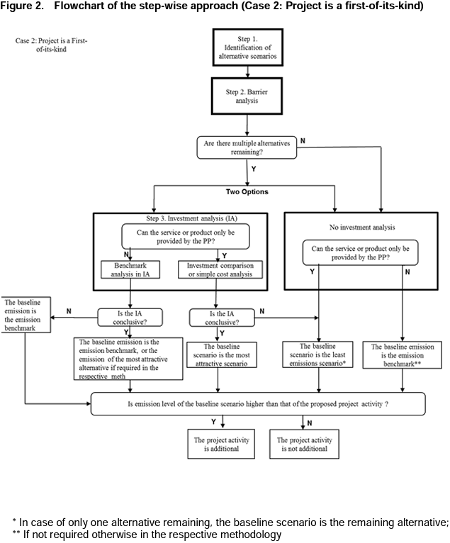
Required Field | Selective Disclosure | Multiple Answers | Schema Type | Parameter | Question | Answer | Notes
TOOL 02: Combined tool to identify the baseline scenario and demonstrate additionality
Yes |  | no | if/then | Step 0 : First-of-its-kind project activities | Is the proposed project activity the first-of-its-kind? | No | If Yes: Move to Step 1A in Case 2 If No: Move to Step 1A in Case 1
Yes |  | yes | string |  | Provide evidence to justify answer. | (Explanation/proof) | Follow up to previous question.
Case 1: If Project is not a first-of-its-kind.
Yes |  | no | if/then | Step 1A: Define alternative scenarios | Have realistic and credible alternative scenario(s) to the project activity been identified? | Yes | If Yes proceed to Step 1B If No: Can't proceed
Yes |  | yes | string |  | Provide evidence to justify answer. | (List of plausible alternative scenarios to the project activity + explanation) | Follow up to previous question.
Yes |  | no | if/then | Step 1B: Consistency with regulations | Are all the alternative scenario(s) in compliance with mandatory legislation and regulations (taking into account the enforcement in the region or country and EB decisions on national and/or sectoral policies and regulations)? | No | If Yes: Move to Step 2A (Barrier analysis) If No: Move to Step 1C
Yes |  | yes | string |  | Provide evidence to justify answer. | (List of alternative scenarios to the project activity that follow mandatory legislation and regulations + explanation.) | Follow up to previous question.
Yes |  | no | if/then | Step 1C: Consistency with regulations | Is project without CDM the only alternative remaining? | No | If Yes: Project activity is not additional. If No: Move to Step 2A (Barrier analysis)
Yes |  | yes | string |  | Provide evidence to justify answer. | (Explanation/proof) | Follow up to previous question. (If the above-mentioned list contains only one scenario, than the proposed project activity is not additional)
Yes |  | no | if/then | Step 2A: Barrier analysis (Identify) | Is there at least one or more realistic and credible barrier preventing the implementation of the proposed project activity without the CDM? | Yes | If Yes proceed to Step 2B If No: Can't proceed
Yes |  | yes | string |  | Provide evidence to justify answer. | (List of barriers that may prevent one or more alternative scenarios to occur + explanation.) | Follow up to previous question.
Yes |  | no | if/then | Step 2B: Barrier analysis (Eliminate) | Is at least one alternative scenario, other than proposed CDM project activity, not prevented by any of the identified barriers? | Yes | If Yes: Proceed to Step 3A (Investment Analysis) If No: Proceed to Step 3B (No Investment Analysis)
Yes |  | yes | string |  | Provide evidence to justify answer. | (List of alternative scenarios to the project activity that are not prevented by any barrier + explanation.) | Follow up to previous question.
Yes |  | no | if/then | Step 3A: Investment analysis | Can the service or product only be provided by the project proponent? | Yes | If Yes: Move to Cell C17 If No: Move to Cell C19
Yes |  | yes | if/then | If yes to Step 3A: | Investment comparison or simple cost anlysis must be chosen, is the sensitivity analysis conclusive to confirm the result of the investment comparison analysis or simple cost analysis? | Yes | If Yes: Proceed to Step 4A. (The most economically or financially attractive alternative scenario is considered as the baseline scenario) If No: Proceed to Step 4A. (The alternative scenario to the project activity with least emissions among the alternative scenarios is considered as the baseline scenario)
Yes |  | yes | string |  | Provide evidence to justify answer. | (Explanation/proof) | Follow up to previous question.
Yes |  | no | if/then | If no to Step 3A: | Benchmark anlysis must be chosen, is the sensitivity analysis conclusive? | Yes | If Yes: Proceed to Step 4A. (The baseline emission is the emission benchmark, or the emission of the most attractive alternative if required in methodology.) If No: Project activity is not additional
Yes |  | yes | string |  | Provide evidence to justify answer. | (Explanation/proof) | Follow up to previous question.
Yes |  | no | if/then | Step 3B: No Investment analysis | Can the service or product only be provided by the project proponent? | Yes | If Yes: Proceed to Step 4A (The baseline scenario is the least emissions scenario*) If No: Proceed to Step 4A (The baseline emission is the emission benchmark*)
Yes |  | yes | string |  | Provide evidence to justify answer. | (Explanation/proof) | Follow up to previous question.
Yes |  | no | if/then | Step 4A: Emission Level | Is emission level of the baseline scenario higher than that of the proposed project activity? | Yes | If Yes: Proceed to Step 4B If No: Project activity is not additional.
Yes |  | yes | string |  | Provide evidence to justify answer. | (Explanation/proof) | Follow up to previous question.
Yes |  | no | if/then | Step 4B: Common practice analysis | Is the project common practice? | No | If Yes: Project activity is not additional. If No: Project activity is additional.
Yes |  | yes | string |  | Provide evidence to justify answer. | (Explanation/proof) | Follow up to previous question.
Flowchart: (Case 1) If Project is not a first-of-its-kind.
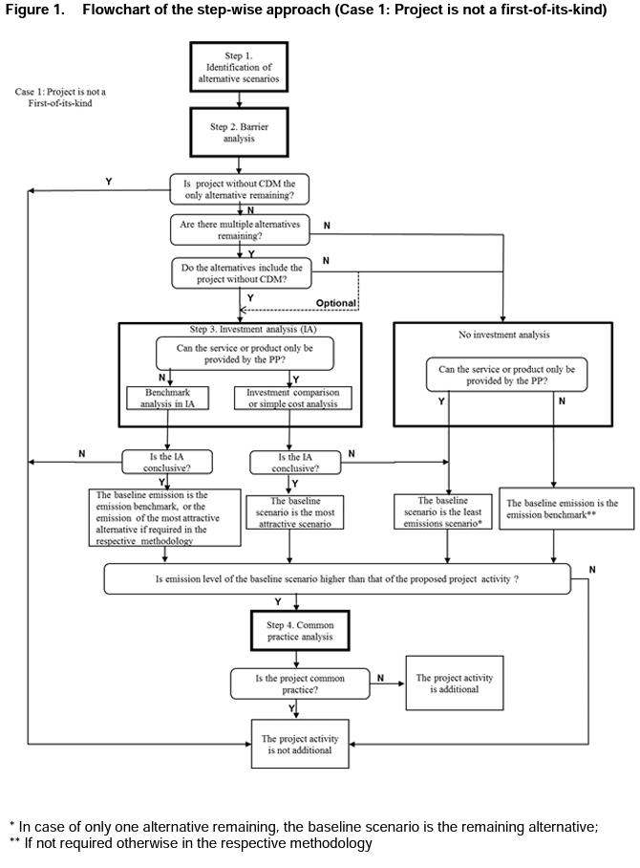

Case 2: If Project is a first-of-its-kind.
Yes |  | no | if/then | Step 1A: Define alternative scenarios | Have realistic and credible alternative scenario(s) to the project activity been identified? | Yes | If Yes proceed to Step 1A If No: Can't proceed
Yes |  | yes | string |  | Provide evidence to justify answer. | (List of plausible alternative scenarios to the project activity + explanation) | Follow up to previous question.
Yes |  | no | if/then | Step 1B: Consistency with regulations | Are all the alternative scenario(s) in compliance with mandatory legislation and regulations (taking into account the enforcement in the region or country and EB decisions on national and/or sectoral policies and regulations)? | No | If Yes: Move to Step 2A (Barrier analysis) If No: Move to Step 1C
Yes |  | yes | string |  | Provide evidence to justify answer. | (List of alternative scenarios to the project activity that follow mandatory legislation and regulations + explanation.) | Follow up to previous question.
Yes |  | no | if/then | Step 1C: Consistency with regulations | Is project without CDM the only alternative remaining? | No | If Yes: Project activity is not additional. If No: Move to Step 2A (Barrier analysis)
Yes |  | yes | string |  | Provide evidence to justify answer. | (Explanation/proof) | Follow up to previous question. (If the above-mentioned list contains only one scenario, than the proposed project activity is not additional)
Yes |  | no | if/then | Step 2A: Barrier analysis (Identify) | Is there at least one or more realistic and credible barrier preventing the implementation of the proposed project activity without the CDM? | Yes | If Yes proceed to Step 2B If No: Can't proceed
Yes |  | yes | string |  | Provide evidence to justify answer. | (List of barriers that may prevent one or more alternative scenarios to occur + explanation.) | Follow up to previous question.
Yes |  | no | if/then | Step 2B: Barrier analysis (Eliminate) | Is at least one alternative scenario, other than proposed CDM project activity, not prevented by any of the identified barriers? | Yes | If Yes: Proceed to Step 3A (Investment Analysis) or Step 3B (No Investment Analysis) If No: Proceed to Step 3B (No Investment Analysis)
Yes |  | yes | string |  | Provide evidence to justify answer. | (List of alternative scenarios to the project activity that are not prevented by any barrier + explanation.) | Follow up to previous question.
Yes |  | no | if/then | Step 3A: Investment analysis | Can the service or product only be provided by the project proponent? | Yes | If Yes: Move to Cell C75 If No: Move to Cell C77
Yes |  | no | if/then | - If yes to Step 3A: | Investment comparison or simple cost anlysis must be chosen, is the sensitivity analysis conclusive to confirm the result of the investment comparison analysis or simple cost analysis? | Yes | If Yes: Proceed to Step 4 (The most economically or financially attractive alternative scenario is considered as the baseline scenario) If No: Proceed to Step 4 (The alternative scenario to the project activity with least emissions among the alternative scenarios is considered as the baseline scenario)
Yes |  | yes | string |  | Provide evidence to justify answer. | (Explanation/proof) | Follow up to previous question.
Yes |  | no | if/then | - If no to Step 3A: | Benchmark anlysis must be chosen, is the sensitivity analysis conclusive? | Yes | If Yes: Proceed to Step 4 (The baseline emission is the emission benchmark, or the emission of the most attractive alternative if required in methodology.) If No: Proceed to Step 4 (The baseline emission is the emission benchmark.)
Yes |  | yes | string |  | Provide evidence to justify answer. | (Explanation/proof) | Follow up to previous question.
Yes |  | no | if/then | Step 3B: No Investment analysis | Can the service or product only be provided by the project proponent? | Yes | If Yes: Proceed to Step 4 (The baseline scenario is the least emissions scenario*) If No: Proceed to Step 4 (The baseline emission is the emission benchmark*)
Yes |  | yes | string |  | Provide evidence to justify answer. | (Explanation/proof) | Follow up to previous question.
Yes |  | no | if/then | Step 4: Emission Level | Is emission level of the baseline scenario higher than that of the proposed project activity? | Yes | If Yes: Project activity is additional. If No: Project activity is not additional.
Yes |  | yes | string |  | Provide evidence to justify answer. | (Explanation/proof) | Follow up to previous question.
Flowchart: (Case 2) If Project is a first-of-its-kind.

